IPR




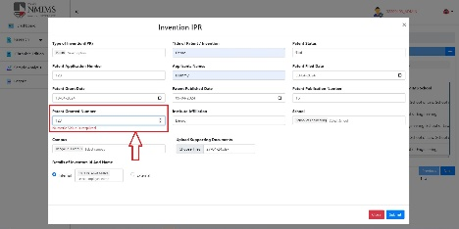
 |  |  |  | Test cases By : Firdous Mulla Module : IPR

RESEARCH TEST CASES
Scenario TID | Module | Sub module | Test scenario id | Scenario Desciption | Test Case ID | Test case description | Test input data | Steps to Execute | Expected Result | Actual Result | Status | Screenshots

7 | IPR | Type of invention | I_02 | To check Type of invention functionality | I_02_02 | To check if options in dropdown are not repeated | Portal URL: https://dev-portal.svkm.ac.in/researches/user Username: 32101198 Password: pass@123 | 1) Open the URL 2) Login with username and paasword 3) Click on research 4) Click on IPR 5) Click on '+' icon 6) Click on Type of invention | Options in dropdown should not be repeated | Options in dropdown are repeated | Fail | 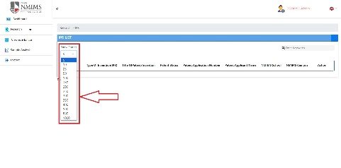
8 | IPR | Type of invention | I_02 | To check Type of invention functionality | I_02_03 | To check if deselect option is available | Portal URL: https://dev-portal.svkm.ac.in/researches/user Username: 32101198 Password: pass@123 | 1) Open the URL 2) Login with username and paasword 3) Click on research 4) Click on IPR 5) Click on '+' icon 6) Click on Type of invention | Deselect option should be available | Deselect option is not available | Fail | 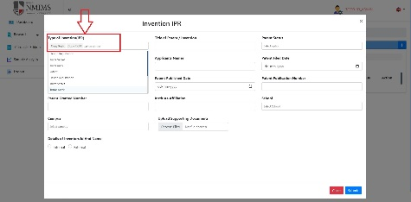
11 | IPR | Title of patent/ invention | I_03 | To check Title of patent/invention functionality | I_03_02 | To check if correct error message is displayed when numeric value is entered | Portal URL: https://dev-portal.svkm.ac.in/researches/user Username: 32101198 Password: pass@123 | 1) Open the URL 2) Login with username and paasword 3) Click on research 4) Click on IPR 5) Click on '+' icon 6) Click on Type of invention 7) Click on Title of patent/invention | Error message should be displayed stating numeric values not accepted | Error message This field is required and min length > 1. is displayed | Fail |  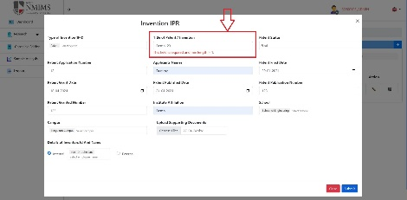 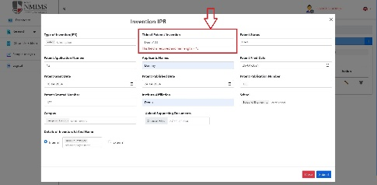
13 | IPR | Title of patent/ invention | I_03 | To check Title of patent/invention functionality | I_03_04 | To check if correct error message is displayed when special character is entered | Portal URL: https://dev-portal.svkm.ac.in/researches/user Username: 32101198 Password: pass@123 | 1) Open the URL 2) Login with username and paasword 3) Click on research 4) Click on IPR 5) Click on '+' icon 6) Click on Type of invention 7) Click on Title of patent/invention | Error message should be displayed stating special charachter not accepted | Error message This field is required and min length > 1. is displayed | Fail | 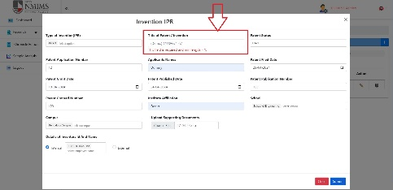

23 | IPR | Patent applicant name | I_06 | To check patent applicant name funcionality | I_06_01 | To check if applicant name accepts alpha numeric values | Portal URL: https://dev-portal.svkm.ac.in/researches/user Username: 32101198 Password: pass@123 | 1) Open the URL 2) Login with username and paasword 3) Click on research 4) Click on IPR 5) Click on '+' icon 6) Click on Type of invention 7) Click on Title of patent/invention 8) Click on Patent Status 9) Click on patent application number 10) Click on patent applicant name | Alpha Numeric value should not be accepted | Alpha Numeric value gets accepted | Fail | 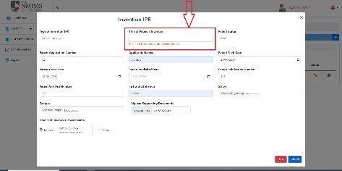    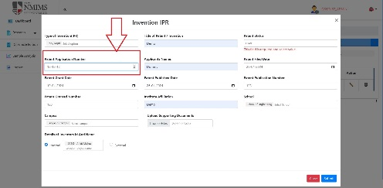    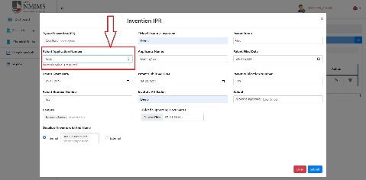 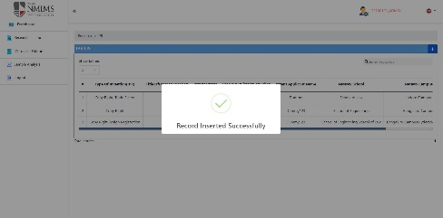
24 | IPR | Patent applicant name | I_06 | To check patent applicant name funcionality | I_06_02 | To check if applicant name accepts special characters | Portal URL: https://dev-portal.svkm.ac.in/researches/user Username: 32101198 Password: pass@123 | 1) Open the URL 2) Login with username and paasword 3) Click on research 4) Click on IPR 5) Click on '+' icon 6) Click on Type of invention 7) Click on Title of patent/invention 8) Click on Patent Status 9) Click on patent application number 10) Click on patent applicant name | Special characters should not be accepted | Special characters are being accepted | Fail | 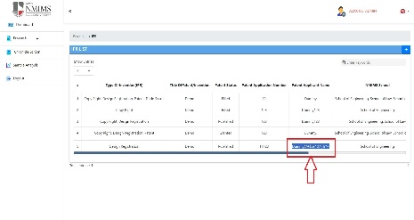
25 | IPR | Patent applicant name | I_06 | To check patent applicant name funcionality | I_06_03 | To check if applicant name accepts numbers | Portal URL: https://dev-portal.svkm.ac.in/researches/user Username: 32101198 Password: pass@123 | 1) Open the URL 2) Login with username and paasword 3) Click on research 4) Click on IPR 5) Click on '+' icon 6) Click on Type of invention 7) Click on Title of patent/invention 8) Click on Patent Status 9) Click on patent application number 10) Click on patent applicant name | Numeric value should not be accepted | Numeric value gets accepted | Fail | 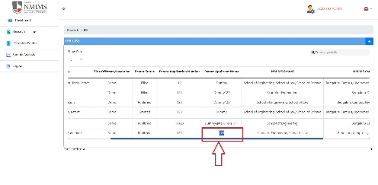

29 | IPR | Patent filed date | I_07 | To check patent filed date functionality | I_07_03 | To check if it accepts patent filed date greater than patent granted and patent published date | Portal URL: https://dev-portal.svkm.ac.in/researches/user Username: 32101198 Password: pass@123 | 1) Open the URL 2) Login with username and paasword 3) Click on research 4) Click on IPR 5) Click on '+' icon 6) Click on Type of invention 7) Click on Title of patent/invention 8) Click on Patent Status 9) Click on patent application number 10) Click on patent applicant name 11) Click on date in patent filed date | Patent filed date should not be accepted greater than patent grant date and published date | Patent filed date is accepted greater than patent grant date and published date | Fail | 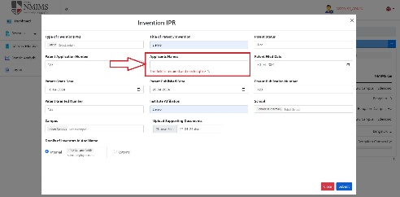 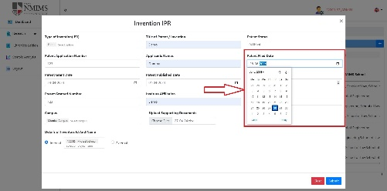 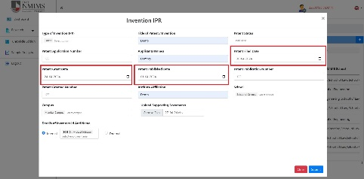

32 | IPR | Patent grant date | I_08 | To check patent grant date functionality | I_08_03 | To check if patent grant date is accepted smaller than patent filed date | Portal URL: https://dev-portal.svkm.ac.in/researches/user Username: 32101198 Password: pass@123 | 1) Open the URL 2) Login with username and paasword 3) Click on research 4) Click on IPR 5) Click on '+' icon 6) Click on Type of invention 7) Click on Title of patent/invention 8) Click on Patent Status 9) Click on patent application number 10) Click on patent applicant name 11) Click on date in patent filed date 12) Click on date of patent grant date | Patent grant date should not be accepted smaller than patent filed date | Patent grant date is accepted smaller than patent filed date | Fail |  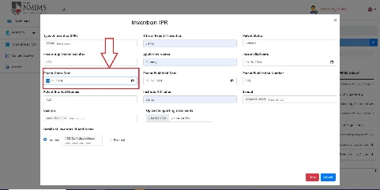 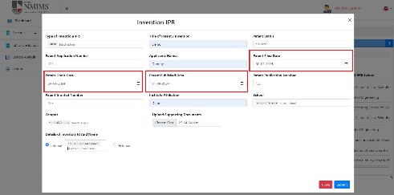
33 | IPR | Patent grant date | I_08 | To check patent grant date functionality | I_08_04 | To check if patent grant date is accepted greater than patent published date | Portal URL: https://dev-portal.svkm.ac.in/researches/user Username: 32101198 Password: pass@123 | 1) Open the URL 2) Login with username and paasword 3) Click on research 4) Click on IPR 5) Click on '+' icon 6) Click on Type of invention 7) Click on Title of patent/invention 8) Click on Patent Status 9) Click on patent application number 10) Click on patent applicant name 11) Click on date in patent filed date 12) Click on date of patent grant date | Patent grant date should not be accepted greater than patent published date | Patent grant date is accepted greater than patent published date | Fail

36 | IPR | Patent publish date | I_09 | To check patent publish date functionality | I_09_03 | To check if patent publish date is accepted smaller than patent filed date and patent grant dtae | Portal URL: https://dev-portal.svkm.ac.in/researches/user Username: 32101198 Password: pass@123 | 1) Open the URL 2) Login with username and paasword 3) Click on research 4) Click on IPR 5) Click on '+' icon 6) Click on Type of invention 7) Click on Title of patent/invention 8) Click on Patent Status 9) Click on patent application number 10) Click on patent applicant name 11) Click on date in patent filed date 12) Click on date of patent grant date 13) Click on date of patent publish date | Patent publish date should not be accepted smaller than patent filed date and patent grant date | Patent publish date is accepted smaller than patent filed date and patent grant date | Fail |  